Property Eligibility
Please complete all green boxes accurately. This will ensure our surveyor's value is as accurate as possible and that we can best assist with your enquiry. |  | 32220-2020 04/20
Please note, if acceptable for a desktop valuation, surveyors will use this information as a base for their assessment. Whilst validation will take place, we are relying on the information provided by you and your customer being accurate.
If accepted on a desktop valuation basis and the case completes, a full valuation will need to be undertaken as soon as government advice permits.
If any information is found to be deliberately incorrect at any stage, LV= may:
- Reject the application.
- Amend the Lifetime Mortgage to record the correct information, apply any relevant terms and conditions and collect any additional monies due including any administration charges.
- Not allow additional borrowing in future.
- Recover any costs incurred and not return any monies paid.
- Review our position regarding further business submitted. If we establish that you knowingly submitted an application for a property which would be declined with a physical valuation, we will be unable to accept further business from you.
If you are unsure how to answer any of the questions, please contact us and we will be happy to help.
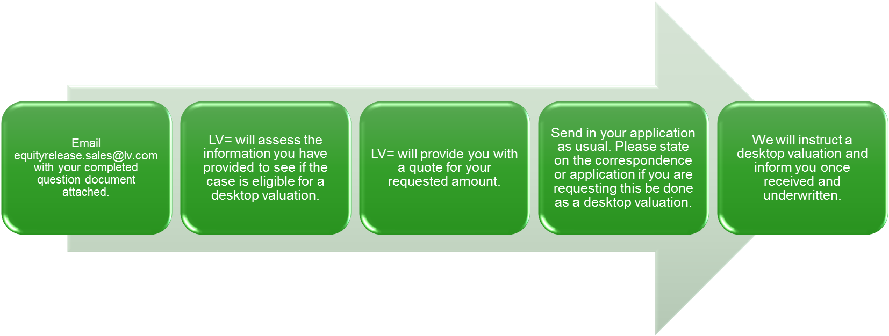
 |  |  | Next Steps
Are you looking to receive a quote on a desktop valuation basis?
If we are unable to facilitate a desktop valuation, would you like a quote for a full valuation?

Security Address Postcode
Security Address House Number / Name
Property Tenure |  | Lease Term Calculator
Lease Years Remaining (If Leasehold or Share of Freehold) |  | Enter Tenure
Property Type
Property Sub-Type
Number of Reception Rooms

Number of Garages

Standard Utilities In Place? (Please use additional info if not)
Desktop Max Loan | Complete form
Full Valuation Max Loan | Complete form


Estimated Property Value
Youngest Customer Age
Loan Amount Required
Is the property the customer's main residence?
Is the property ex-local authority?
Is the property listed?
Has the property flooded in the last 15 years?
Is the property a self-build or barn conversion?
Has the property undergone significant alterations?

Is the property standard construction? Walls - Brick, Stone, Timber Post-1960 Roof - Pitched - Tile, Slate
How many bedrooms does the property have?
Does the property have flat roof totalling more than 30%? |  | Please complete any additional information LV= or the surveyor should be aware of here relating to the property. This may be surrounding non-standard utilities, or a reason as to why the property may be considered to be worth more than others nearby.
Was the property built in the last three years or before 1850?
Is the property age-restricted or sheltered?
Is the property over six storeys?
Does the property have land over two acres?
If acceptable for desktop valuations, will a valuer be able to access and assess all parts of the property when full valuation takes place in future?
Is the property in good condition? i.e. no structural damage, no outdated fittings, no damp, no works outstanding etc.

